part list
 | order number | link | name | specification | number | unit | figure
1 | VSE151 | VSE151 | Vibration Monitor | 4 Vibration sensors input，Ethernet/IP interface，OPC interface，2 analog 0...20 mA input， 2 switch outputs or one switch output + 1 Analog 0... 20 mA/0... 10 V output | 1 | pcs
2 | VSA005 | VSA005 | Vibration sensor | measuring range 25g，frequency range 0-10000Hz，Linear deviation 0.2%, Capacitive type， MEMS， Screw installation，with 10m cable，-30-100℃，IP67 | 4 | pcs
3 | DN4012 | DN4012 | Power Supply | 4 V DC; 5 A | 1 | pcs
4 | TP3231 | TP3231 | Temperature transmitter | 4~20mA Analog output | 2 | pcs
5 | TS2759 | TS2759 | Temperature sensor | PT100，range -30...180 °C， M5 Screw installation，IP67 | 2 | pcs
6 | EVC086 | EVC086 | Connecting cable | M12 Straight socket，15m PUR with shield | 6 | pcs
7 | VES004 | VES004 | Programming software | Used for parameter setting and diagnosis | 1 | set
8 | AE204SW |  | Acoustic emission sensor |  | 1 | pcs
9 | PXDAQ24260B |  | Network acoustic emission collector |  | 1 | pcs
10 | PXAES |  | Acoustic emission analysis software |  | 1 | pcs
11 | Forsentek FNZ-100N. |  | Dynamometer |  | 1 | pcs
12 | PXDAQ24262B |  | Dynamometer signal transmitter （1 in each channel） |  | 3 | pcs

Status monitoring, historical records, real-time reports, historical trends, remote access

Network Structure Diagram of Preventive Maintenance System Based on State Monitoring
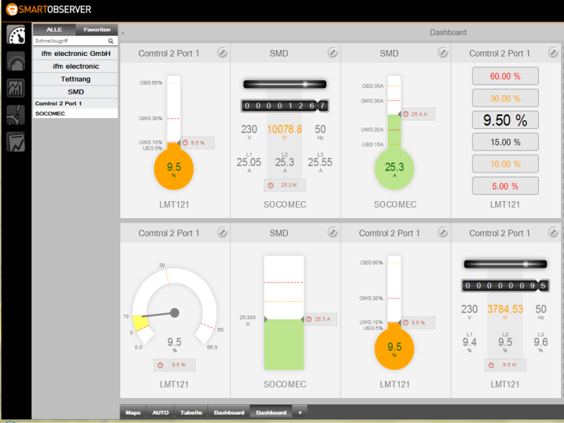


On-line monitoring system or controller

field bus
industrial ethernet
PLC (by CoDeSys from university)
Data Server
Monitoring client

Series VSE15x integrated fieldbus interface can be integrated with PLC directly.

Network switching equipment
switch
VSE151

 |  |  |  |  |  |  |  | TP3231

VSE151
VSE151
Vibration analysis module
……
VSA005
TS2759

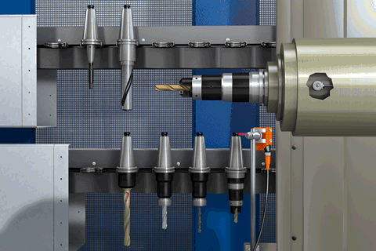

Vibration Sensor
VSA005
VSA005

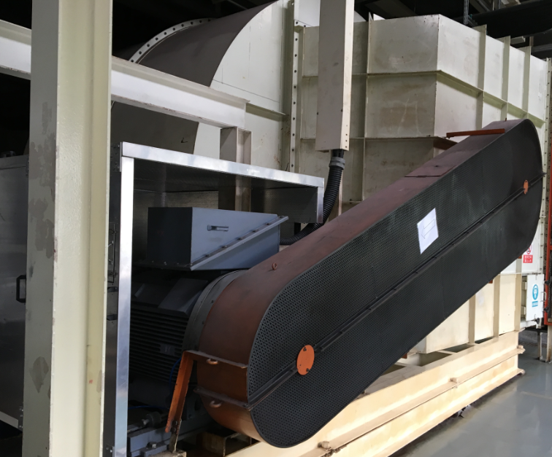
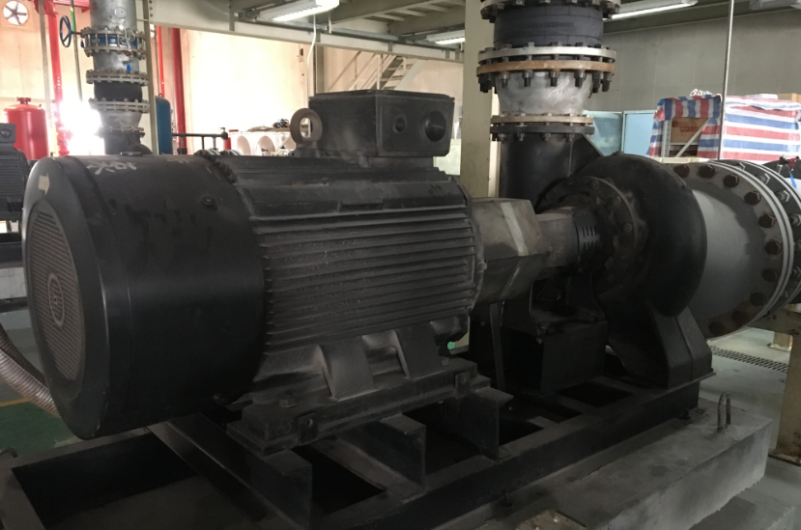
Equipment

